Solution 1(c)
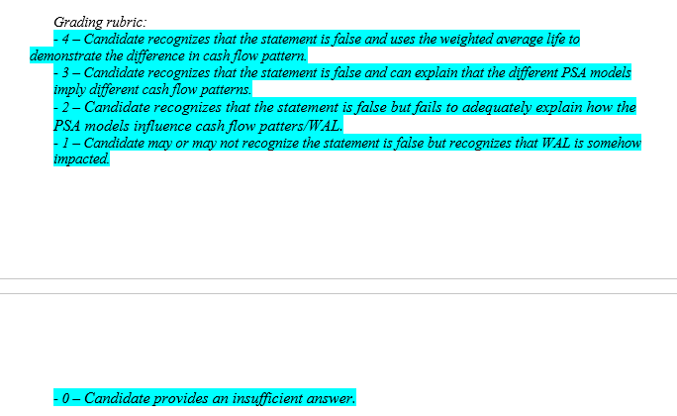
The actuarial intern in the financial risk department has done some work to determine the annualized cash flow yield and has discovered that there is an immaterial difference in annualized yield under the three PSA models above (0 PSA and 150 PSA).

The intern stated “Since the annualized yield is the same in all three PSA models, the different PSA model assumptions don’t actually have much of an impact on the potential returns of the Agency RMBS.”

(c) | (1 point) ANSWER IN EXCEL Critique the intern’s statement.

 | Fill in your final answers here:

 | The statement is false. The annualized cashflow yield may be similar between the three PSA models. However, the cashflow pattern is vastly different. The weighted average life should also be brought in to examine the cash flow pattern. Given that the weighted average life decreases from 17.97 years (0 PSA model) to 6.51 years (150 PSA model), the number of years of potential annualized yield is significantly impacted by the PSA assumption. The annualized yield should not be looked at in isolation.

