3_d
Question 3 (d)

Complete the “operations frontier” for the airline industry provided below and plot Blue Jay Air’s current and target location based on Blue Jay Air’s history and current market position.
Justify your choice of axes and Blue Jay Air’s positions.

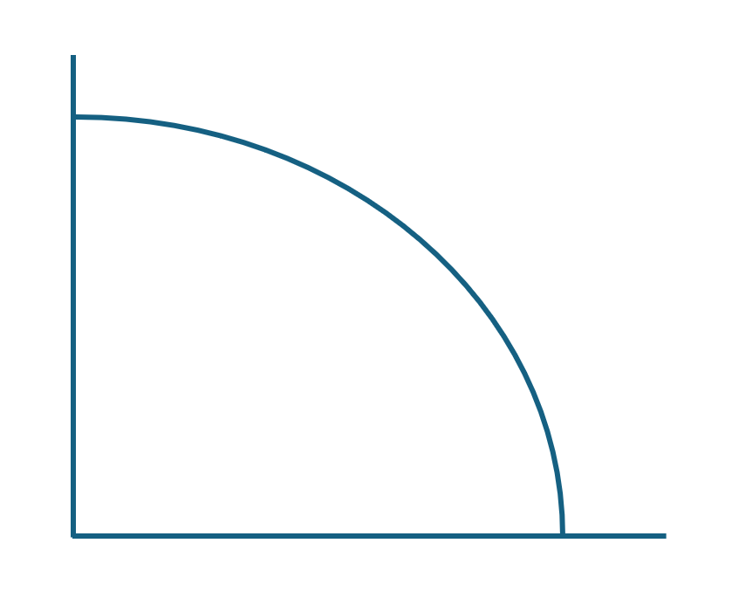
Complete the Operations Frontier. Use the "x" to plot Blue Jay Air's current position and the "o" to plot Blue Jay Air's target location.
Customer Comfort /Satisfacton

High

Low

 | High | Cost to Customer | Low

Justify your choice of axes and Blue Jay Air's positions.
Below is an operations frontier for Blue Jay Air and the broader airline industry. Traditionally, airlines operate on a tradeoff between the costs of flights and the overall customer satisfaction / comfort / experience. As such, the X-Axis is the cost to the consumer, while the Y-Axis is what BJA is aiming to improve - overall customer comfort. BJA is in the middle of this, based on their current costs and need for upgrades to their fleet and lounges. Their strategy should make them more expensive but should move them up the customer comfort curve.

