Q4
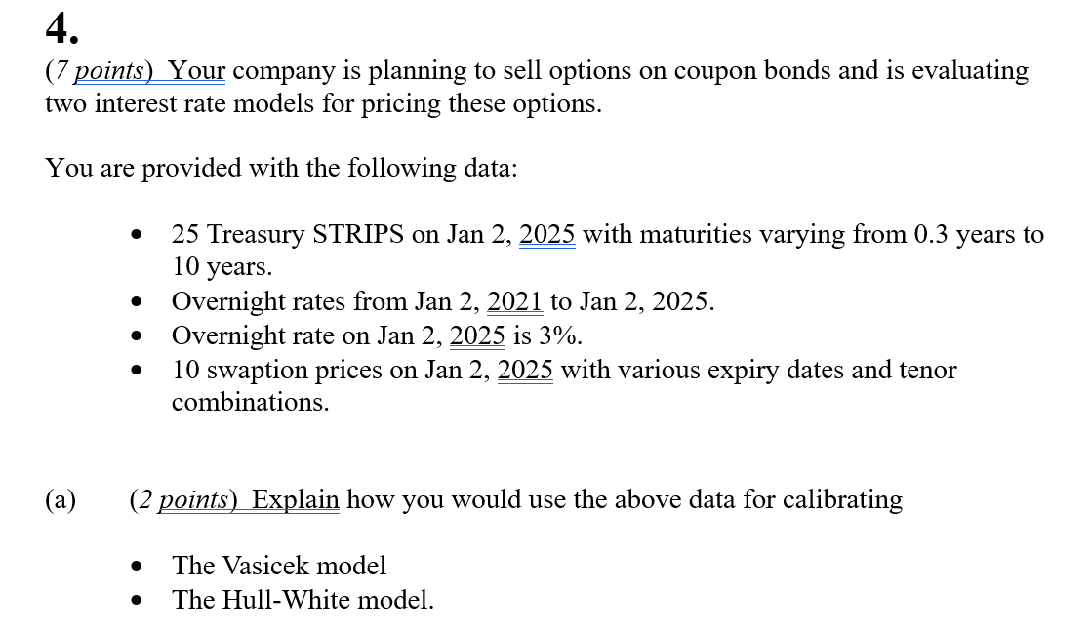
Q4

 | Fill in your final answers here:

 | • Vasicek model calibration: – Use overnight rate data to estimate real-world parameters (r̄, γ, σ) via Maximum Likelihood Estimation (MLE). – Estimate risk-neutral parameters by fitting model zero-coupon prices to STRIPS yield data using non-linear least squares. – Use the calibrated risk-neutral parameters for pricing. • Hull-White model calibration: – Use STRIPS yield curve to obtain the initial forward rate curve f(0,t) (or theta_t) – Use swaption prices to estimate (α, σ) using least square method – Use calibrated parameters to pricing.

 | Fill in your final answers here:
 | Price of one-year bond |  | 0.96402780872
 | Price of five-year bond |  | 0.77898652218

 | Show your work here, for part b):
 | Parameter | Value
 |  | 0.0634
 |  | 0.4653
 |  | 0.0221
 | r0 | 0.03
 | T | A(0;T) | B(0;T) | Z(0;r0;T)
 | 1 | -0.012647174505 | 0.79959876871 | 0.96402780872
 | 5 | -0.19158209427 | 1.9393146812 | 0.77898652218

 | Fill in your final answers here:
 | The option price |  | 0.014363660075

 | Show your work here, for part c):

 | Term | Formula/value
 |  | 0.4653
 |  | 0.0221
 | TO | 1
 | TB | 5
 | K | 0.8
 | SZ(TO;TB) | 0.032359906521
 | Z(0,r0;TO) | 0.96402780872
 | Z(0,r0;TB) | 0.77898652218
 | d1 | 0.32573443761
 | d2 | 0.29337453109
 | Call option | 0.014363660075

 | Fill in your final answers here:
 | The option price |  | 0.022329758388

 | Show your work here, for part d):

 | Term | Formula/value
 |  | 0.19
 |  | 0.0196
 | TO | 1
 | TB | 5
 | K | 0.8
 | SZ(TO;TB) | 0.050087953266
 | Z(0,r0;TO) | 0.97625
 | Z(0,r0;TB) | 0.792813
 | d1 | 0.32476136656
 | d2 | 0.2746734133
 | Call option | 0.022329758388

 | Fill in your final answers here:
 | Model solution for part (e):
 | • Both models do not perfectly match the market option price. • Vasicek model limitations: – Not arbitrage-free and cannot fit both the yield curve and option surface simultaneously. – Its option price deviates significantly from observed market option price. • Hull-White model advantages: – Arbitrage free so better suited to pricing options on coupon-bearing bonds since swaption prices reflect similar interest rate dynamics. – Produces option prices closer to market values; preferred for pricing and hedging.

