Q4
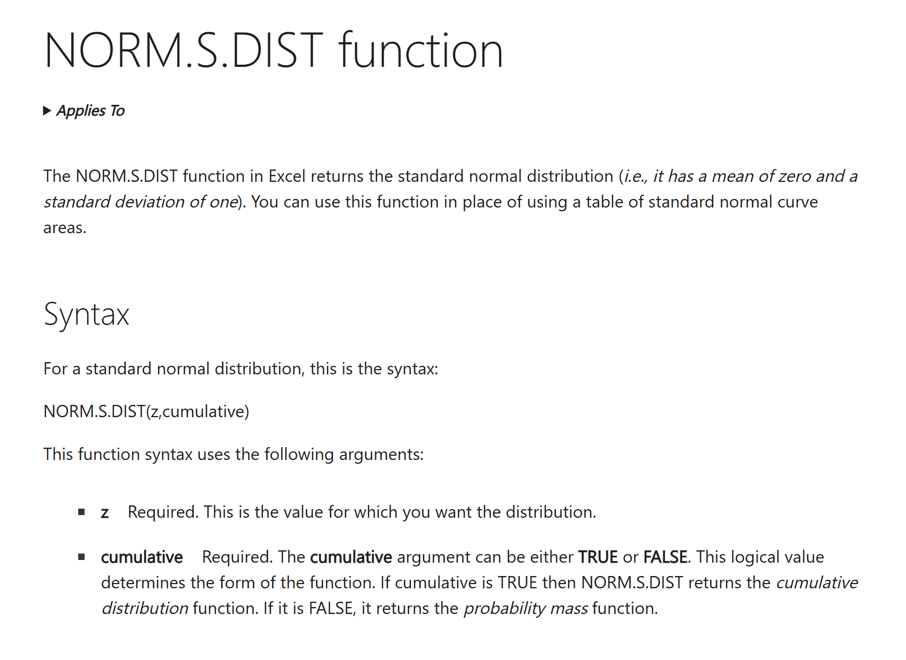
Hint:

Fill in your final answers and show your work here, for part b):

 |  | 0.5
 |  | 0.04
 |  | 0.02
 |  | 0.03

 | s |  |  | Z-Score
 | 0.10 |  |  |  | <- enter formulas in the first row of this table and then copy to the rest of the table
 | 0.20
Vasicek Negative Probabilities
0.10
0.20
0.30
0.40
0.50
0.60
0.70
0.80
0.90
1.00
1.10
1.20
1.30
1.40
1.50
1.60
1.70
1.80
1.90
2.00
2.10
2.20
2.30
2.40
2.50
2.60
2.70
2.80
2.90
3.00
3.10
3.20
3.30
3.40
3.50
3.60
3.70
3.80
3.90
4.00
4.10
4.20
4.30
4.40
4.50
4.60
4.70
4.80
4.90
5.00
 | 0.30
 | 0.40
 | 0.50
 | 0.60
 | 0.70
 | 0.80
 | 0.90
 | 1.00
 | 1.10
 | 1.20
 | 1.30
 | 1.40
 | 1.50
 | 1.60
 | 1.70
 | 1.80
 | 1.90
 | 2.00
 | 2.10
 | 2.20
 | 2.30
 | 2.40
 | 2.50
 | 2.60
 | 2.70
 | 2.80
 | 2.90
 | 3.00
 | 3.10
 | 3.20
 | 3.30
 | 3.40
 | 3.50
 | 3.60
 | 3.70
 | 3.80
 | 3.90
 | 4.00
 | 4.10
 | 4.20
 | 4.30
 | 4.40
 | 4.50
 | 4.60
 | 4.70
 | 4.80
 | 4.90
 | 5.00

 | Maximum Probability | 0.000000
 | Corresponding s value | #N/A

 | Fill in your final answers here:

 | Show your work here, for part b):

 |  |  | <-enter the formula to calculate conditional mean of short rate at time t+sbar in this cell
 |  |  | <-enter the formula to calculate conditional variance of short rate at time t+sbar in this cell
 | # | Standard Normal Random Number | Simulated value of short rate at time sbar
 | 1 | 0.933327 |  | <- enter formulas in the first row of this table and then copy to the rest of the table
 | 2 | -0.525032
 | 3 | 1.814440
 | 4 | 0.083046
 | 5 | 0.395719
 | 6 | -2.193670
 | 7 | -0.360317
 | 8 | 0.142854
 | 9 | -0.203729
 | 10 | 0.445624
 | 11 | -0.321594
 | 12 | 0.478480
 | 13 | 0.196171
 | 14 | 0.714827
 | 15 | -0.960137
 | 16 | 0.670719
 | 17 | 1.655403
 | 18 | 1.242700
 | 19 | -1.561512
 | 20 | 1.182032
 | 21 | 0.570224
 | 22 | 1.140591
 | 23 | -1.240632
 | 24 | 0.684012
 | 25 | -0.523174
 | 26 | 0.362430
 | 27 | -1.839914
 | 28 | 0.561661
 | 29 | 0.891032
 | 30 | 0.395636
 | 31 | 0.076586
 | 32 | 2.400095
 | 33 | -0.894234
 | 34 | 0.765723
 | 35 | 1.559208
 | 36 | 1.132485
 | 37 | -0.251419
 | 38 | -1.106958
 | 39 | 1.185055
 | 40 | -1.727675
 | 41 | 0.158762
 | 42 | -0.669172
 | 43 | 0.972893
 | 44 | -1.430630
 | 45 | 0.730344
 | 46 | -0.390956
 | 47 | -0.810789
 | 48 | -0.481047
 | 49 | 1.523539
 | 50 | -0.662969
 | 51 | 0.728543
 | 52 | 0.943027
 | 53 | 0.361392
 | 54 | 1.060028
 | 55 | 0.739843
 | 56 | -3.605580
 | 57 | 0.869054
 | 58 | -1.314624
 | 59 | -0.008966
 | 60 | -0.738671
 | 61 | 0.180231
 | 62 | -1.166260
 | 63 | -0.431049
 | 64 | -0.732924
 | 65 | 0.361782
 | 66 | -1.074971
 | 67 | -0.234619
 | 68 | 1.426466
 | 69 | -0.622731
 | 70 | 0.437863
 | 71 | 0.559340
 | 72 | 0.031875
 | 73 | -1.087183
 | 74 | -0.600897
 | 75 | -1.209584
 | 76 | -0.112482
 | 77 | 1.620078
 | 78 | -0.333499
 | 79 | -0.328258
 | 80 | 1.023444
 | 81 | 0.005334
 | 82 | -0.169218
 | 83 | 0.230050
 | 84 | 0.628955
 | 85 | 0.407303
 | 86 | 1.386569
 | 87 | 1.654235
 | 88 | 0.165828
 | 89 | 1.510428
 | 90 | 0.057476
 | 91 | -0.012020
 | 92 | -1.530968
 | 93 | 1.621741
 | 94 | 0.391658
 | 95 | 0.568909
 | 96 | 0.852737
 | 97 | 2.132977
 | 98 | -0.902853
 | 99 | -2.744418
 | 100 | 0.115417

 | Estimated probability |  |  | <- enter the formula to calculate the probability in this cell

Q7
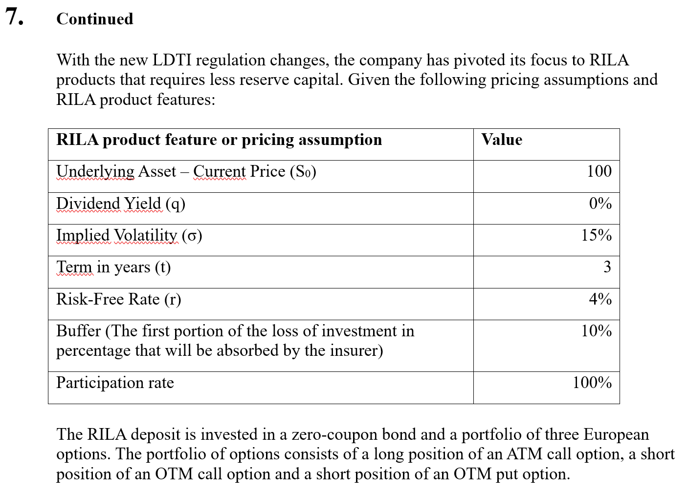

(d) (2 points) Calculate the fair cap rate which the present value of the RILA product equals to the initial premium.

Fill in your final answers here:
Fair cap rate :

Show your work here, for part d):

Solve the fair cap rate at which the present value of the RILA product equals the initial premium (aka. Profit = 0) Hint: Candidate can use the "Goal Seek" function in Excel

RILA
Underlying Asset – Current Price (S0) | 100 |  | Type | Positions | Option Value |  |  |  | Input
Dividend Yield (q) | 0% | Option 1 |  |  |  |  |  |  | Calculated Result
Implied Volatility (σ) | 15% | Option 2 |  |  |  |  |  |  | Final Answer
Term (t) | 3 | Option 3
Risk-Free Rate (r) | 4%
Buffer Rate% (B) | 10% | Sum of option cost
Cap Rate% (C) | 0.00%
Participation rate ( ) | 100% | Option Budget | 11.31
 |  | Profit | $11.31

Black Scholes Formula for Option 1
S | 100 | d1 | 0.5918 |  | N(d1) | 0.72300238934 | N'(d1) | 0.3348600151
K | 100 | d2 | 0.3320 |  | N(d2) | 0.63004646207 | N'(d2) | 0.37755361274
t | 3 | -d1 | -0.5918 |  | N(-d1) | 0.27699761066 | N'(-d1) | 0.3348600151
r | 4% | -d2 | -0.3320 |  | N(-d2) | 0.36995353793 | N'(-d2) | 0.37755361274
q | 0%
σ | 15% | Call | 16.420 |  | Put | 5.1121742765

Black Scholes Formula for Option 2
S | 100 | d1 | 0.9973 |  | N(d1) | 0.84069462883 | N'(d1) | 0.24261996919
K | 90 | d2 | 0.7375 |  | N(d2) | 0.76959363039 | N'(d2) | 0.3039480571
t | 3 | -d1 | -0.9973 |  | N(-d1) | 0.15930537117 | N'(-d1) | 0.24261996919
r | 4% | -d2 | -0.7375 |  | N(-d2) | 0.23040636961 | N'(-d2) | 0.3039480571
q | 0
σ | 15% | Call | 22.638 |  | Put | 2.4611534988

Black Scholes Formula for Option 3
S | 100 | d1 | 0.5918 |  | N(d1) | 0.72300238934 | N'(d1) | 0.3348600151
K | 100 | d2 | 0.3320 |  | N(d2) | 0.63004646207 | N'(d2) | 0.37755361274
t | 3 | -d1 | -0.5918 |  | N(-d1) | 0.27699761066 | N'(-d1) | 0.3348600151
r | 4% | -d2 | -0.3320 |  | N(-d2) | 0.36995353793 | N'(-d2) | 0.37755361274
q | 0
σ | 15% | Call | 16.420 |  | Put | 5.1121742765

