3_d
Question 3 (d)

Complete the “operations frontier” for the airline industry provided below and plot Blue Jay Air’s current and target location based on Blue Jay Air’s history and current market position.
Justify your choice of axes and Blue Jay Air’s positions.

Complete the Operations Frontier. Use the "x" to plot Blue Jay Air's current position and the "o" to plot Blue Jay Air's target location.
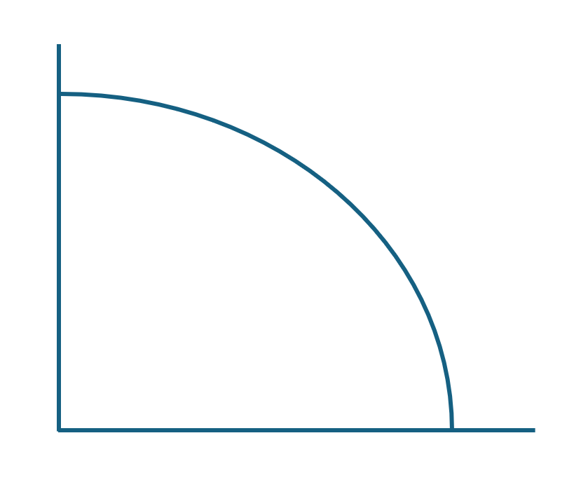

Justify your choice of axes and Blue Jay Air's positions.

