Q5
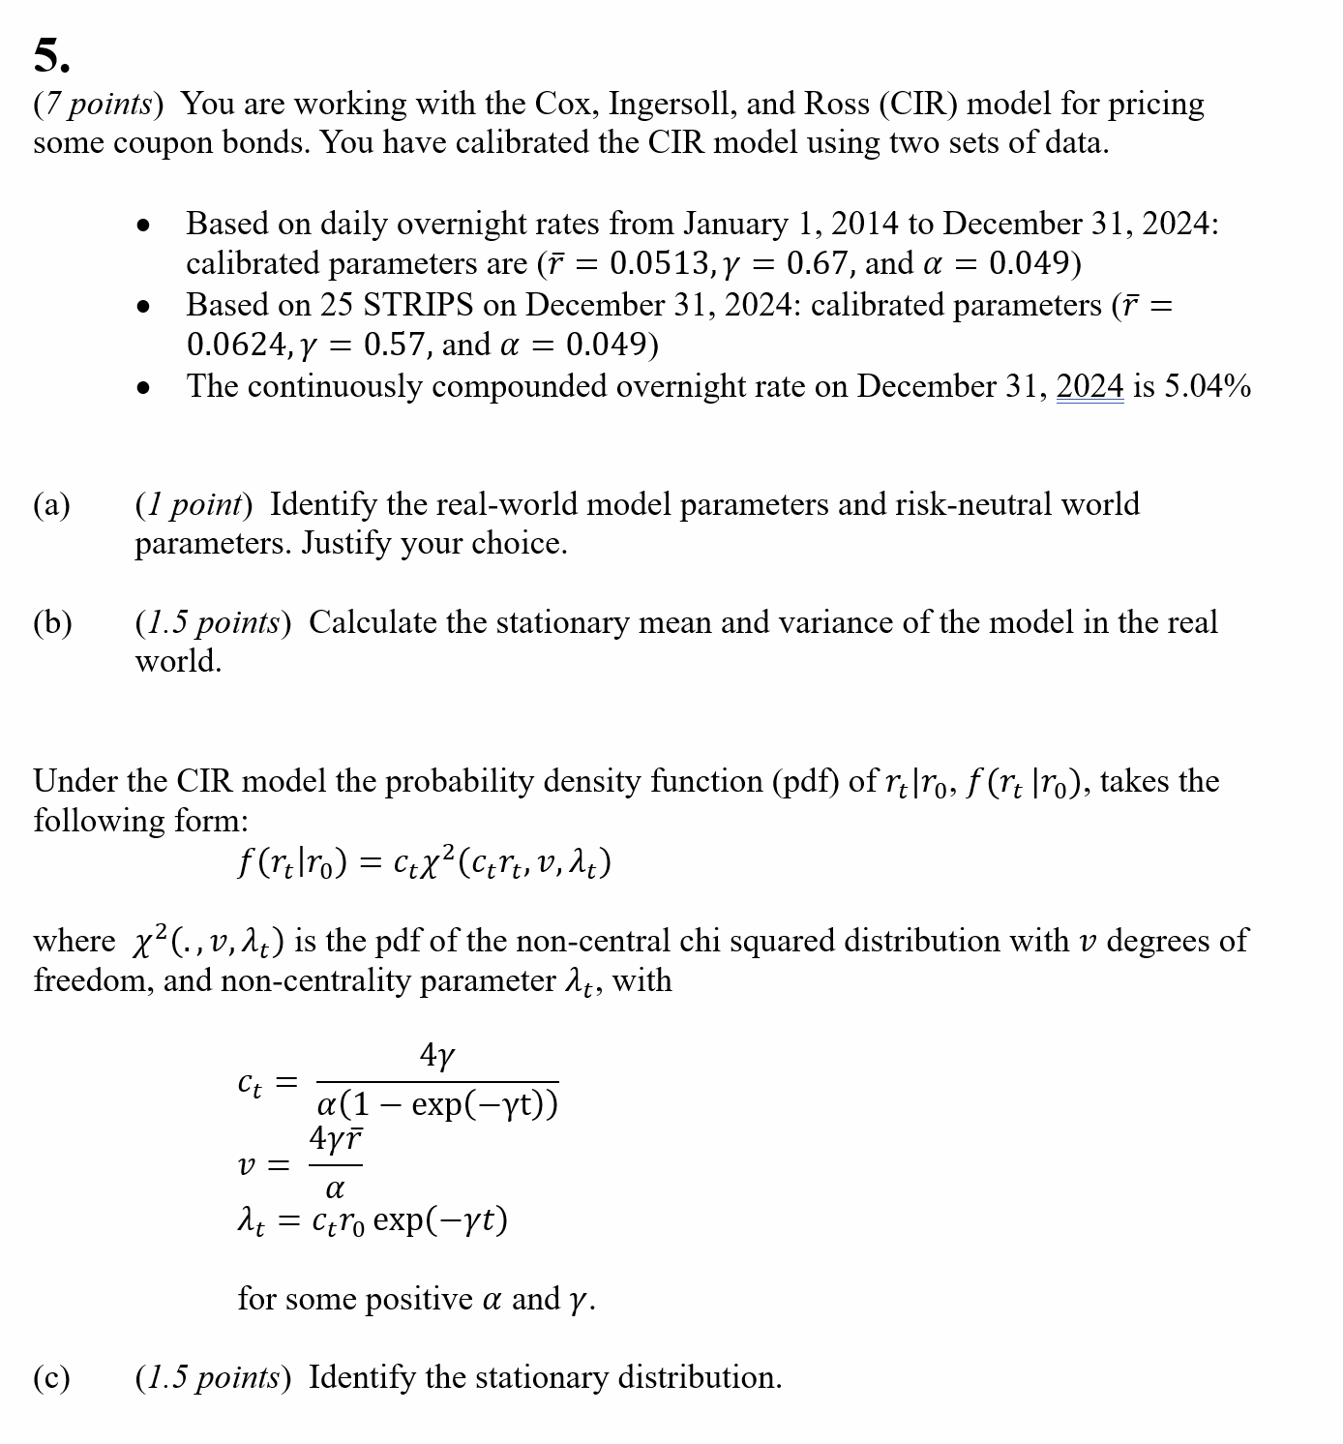
Q5

 | Fill in your final answers (and show your work) here, for part d):

Parameter | Value
gamma* | 0.57 | Enter values in B40:B43
alpha | 0.049
rbar* | 0.0624
r0 | 0.0504
 | 0.65030761952 | Enter the formula in B44

T |  |  | B(0;T) | A(0;T) | Z(0;T)
0.5 | 0.38424353977 | 1.7695105584 | 0.43429358243 | -0.0040484651185 | 0.97439660944 | Enter formulas in B47:D47 and F47; formula in E47 is already entered
1 | 0.9161301774 | 2.418575875 | 0.7575781987 | -0.014789990963 | 0.94840663182 | Then copy down the formula
1.5 | 1.6523908194 | 3.3170403464 | 0.99630432366 | -0.030493818984 | 0.92246342007
2 | 2.6715548567 | 4.5607339867 | 1.1715460119 | -0.04985115026 | 0.89682272337
2.5 | 4.0823260914 | 6.2823088737 | 1.2996260367 | -0.071884568847 | 0.87163395368
3 | 6.035177059 | 8.6653877892 | 1.3929387134 | -0.095870761132 | 0.84698281628
3.5 | 8.738398395 | 11.964149383 | 1.4607638396 | -0.12127799418 | 0.82291654101
4 | 12.480315066 | 16.530438808 | 1.5099798875 | -0.14771725074 | 0.79945883452
4.5 | 17.660039044 | 22.851295446 | 1.5456488308 | -0.174904917 | 0.77661882782
5 | 24.830038499 | 31.600900412 | 1.5714766462 | -0.20263474626 | 0.7543965135
5.5 | 34.755063924 | 43.712484562 | 1.5901664832 | -0.2307570284 | 0.73278611098
6 | 48.493716251 | 60.477866679 | 1.6036847499 | -0.25916323591 | 0.71177818979
6.5 | 67.51135698 | 83.685238565 | 1.6134591509 | -0.28777477062 | 0.69136103357
7 | 93.8364033 | 115.80989317 | 1.6205248227 | -0.31653474936 | 0.67152153038
7.5 | 130.2766786 | 160.27823878 | 1.6256315217 | -0.34540202515 | 0.65224576112
8 | 180.71889428 | 221.83325892 | 1.6293219075 | -0.37434684472 | 0.63351939197
8.5 | 250.54320546 | 307.04039788 | 1.6319885409 | -0.40334769916 | 0.61532793748
9 | 347.19705713 | 424.98782953 | 1.6339152936 | -0.43238904247 | 0.59765693719
9.5 | 480.9895269 | 588.25579983 | 1.6353073851 | -0.46145963996 | 0.58049207372
10 | 666.19088885 | 814.25843296 | 1.6363131455 | -0.49055137341 | 0.56381925092

5% Coupon bond price | 94.043437814 | The bond price formula in B68 is prepopulated.

Q9 (b) (c) solution
Q9
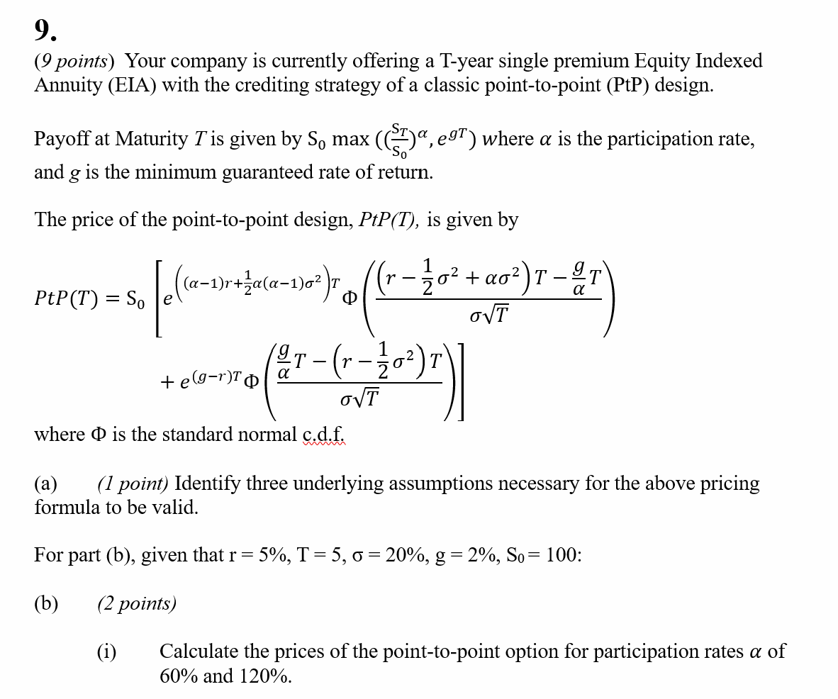

 | Fill in your final answers here for part (b) (i):
 | PtP(T) at participation rate=60% |  | 96.55

 | PtP(T) at participation rate=120% |  | 119.08

 | Show your work here:

 | EIA
 | Underlying Asset – Current Price (S0) | 100 |  |  |  | Input
 | Dividend Yield (q) | 0% |  |  |  | Calculated Results
 | Implied Volatility (σ) | 20%
 | Term (T) | 5
 | Risk-Free Rate (r) | 5%
 | Minimum guarantee rate (g) % | 2%

 | Point-to-Point Option Formula 1

 | Participation rate ( ) | 60.0% |  |  | 0.52240084
 |  |  |  |  | 0.44314778

 |  |  |  | PtP Option Price | 96.55

 | Point-to-Point Option Formula 2

 | Participation rate ( ) | 120.0% |  |  | 0.81143587
 |  |  |  |  | 0.37935594

 |  |  |  | PtP Option Price | 119.08

 | Fill in your final answers here for part (b) (ii):
 | Participation rate (alpha) |  | 64.80%

 | Show your work here:

 | EIA
 | Underlying Asset – Current Price (S0) | 100 |  |  |  | Input
 | Dividend Yield (q) | 0% |  |  |  | Calculated Results
 | Implied Volatility (σ) | 20%
 | Term (T) | 5
 | Risk-Free Rate (r) | 5%
 | Minimum guarantee rate (g) % | 2%

 | Point-to-Point Option Formula 3

 | Participation rate ( ) | 64.80% |  |  | 0.54629589
 |  |  |  |  | 0.43367161

 |  |  |  | PtP Option Price | 98.00

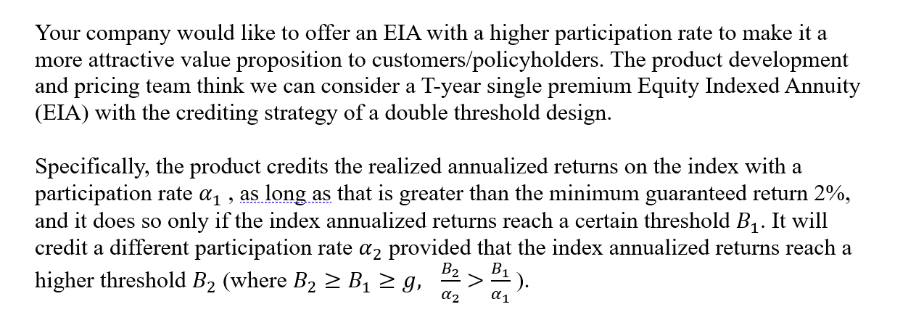

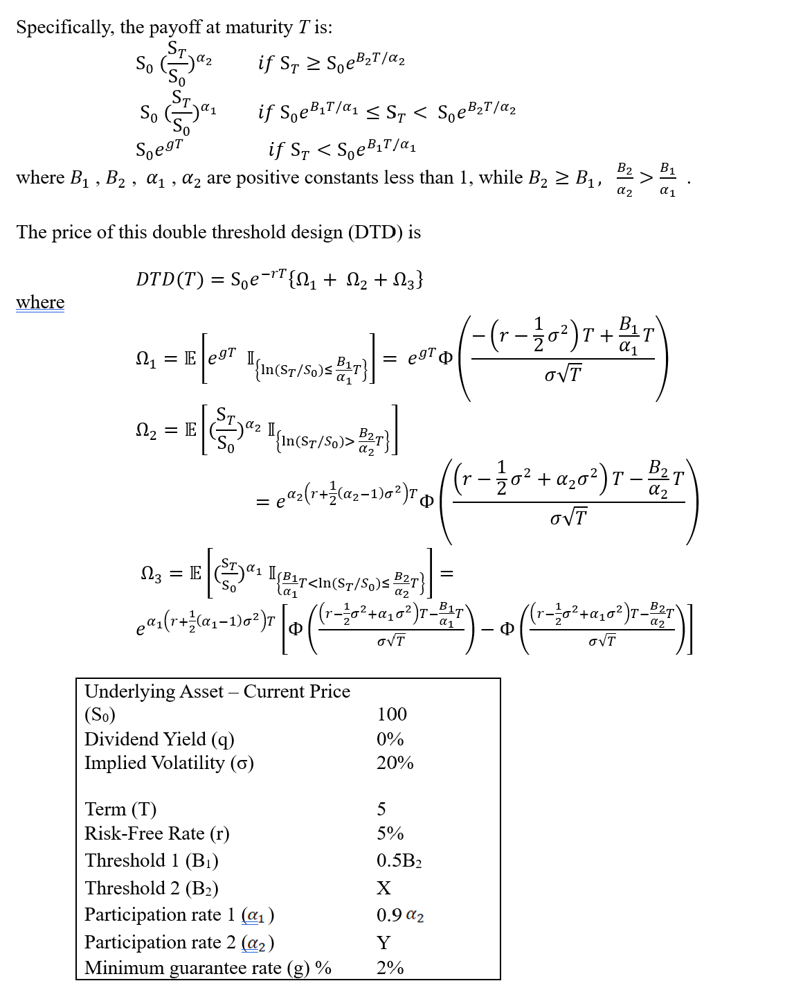

 | Fill in your final answers here for part (c):
 | Double Threshold Design Price | 98.00 | when participation rate 2 is 80.26%

 | Show your work here:
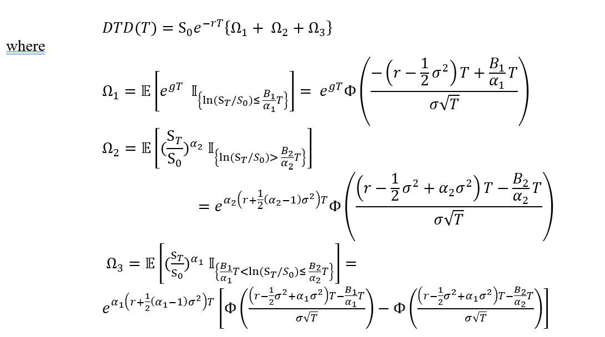

 | EIA |  |  |  |  |  | Input
 | Underlying Asset – Current Price (S0) | 100 |  |  |  |  | Calculated Results
 | Dividend Yield (q) | 0%
 | Implied Volatility (σ) | 20%
 | Term (T) | 5
 | Risk-Free Rate (r) | 5%
 | Minimum guarantee rate (g) % | 2%

 | Double Barrier Option Formula 1

 | Barrier 1 (B1) | 7.0% |  |  | 0.85405820
 | Barrier 2 (B2) | 14.0% |  |  | 0.12580851
 | Participation rate 1 ( ) | 72.23% |  |  | 0.27850154
 | Participation rate 2 ( ) | 80.26%

 |  |  |  | Double Barrier Option Price | 98.00

