Q9

9.
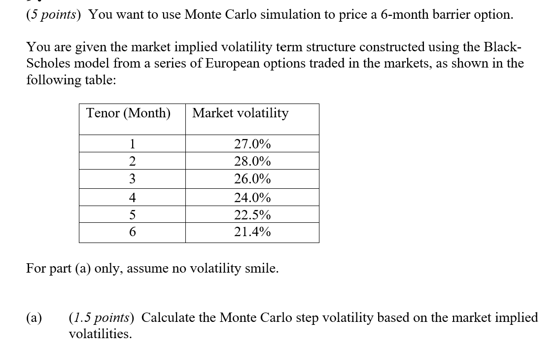

 | Fill in your final answers here: (change 23%, 25% with your real answer.)

Monte Carlo Step Vol
 | Volatility term structure
 | Tenor (Month) | Market volatility | Monte Carlo Step Vol
 | 1 | 27.0% | 27.0%
 | 2 | 28.0% | 29.0%
 | 3 | 26.0% | 21.4%
 | 4 | 24.0% | 16.6%
 | 5 | 22.5% | 15.1%
 | 6 | 21.4% | 14.7%

 | Show your work here:

 | Volatility term structure
 | Tenor (Month) | Market volatility | Monte Carlo Step Vol
 | 1 | 27.0% | 27.0%
 | 2 | 28.0% | 29.0%
 | 3 | 26.0% | 21.4%
 | 4 | 24.0% | 16.6%
 | 5 | 22.5% | 15.1%
 | 6 | 21.4% | 14.7%

 | This solution corresponds to the recursive formula:

Q9 Alt
9.

 | Fill in your final answers here: (change 23%, 25% with your real answer.)

Monte Carlo Step Vol
 | Volatility term structure
 | Tenor (Month) | Market volatility | Monte Carlo Step Vol
 | 1 | 27.0% | 27.0%
 | 2 | 28.0% | 29.0%
 | 3 | 26.0% | 21.4%
 | 4 | 24.0% | 16.6%
 | 5 | 22.5% | 15.1%
 | 6 | 21.4% | 14.7%

 | Show your work here:

 | Tenor (Month) | Market volatility | Monte Carlo Step Vol
 | 1 | 27.0% | 27.0%
 | 2 | 28.0% | 29.0%
 | 3 | 26.0% | 21.4%
 | 4 | 24.0% | 16.6%
 | 5 | 22.5% | 15.1%
 | 6 | 21.4% | 14.7%

 |  | This solution corresponds to the formula:

Q11
11.
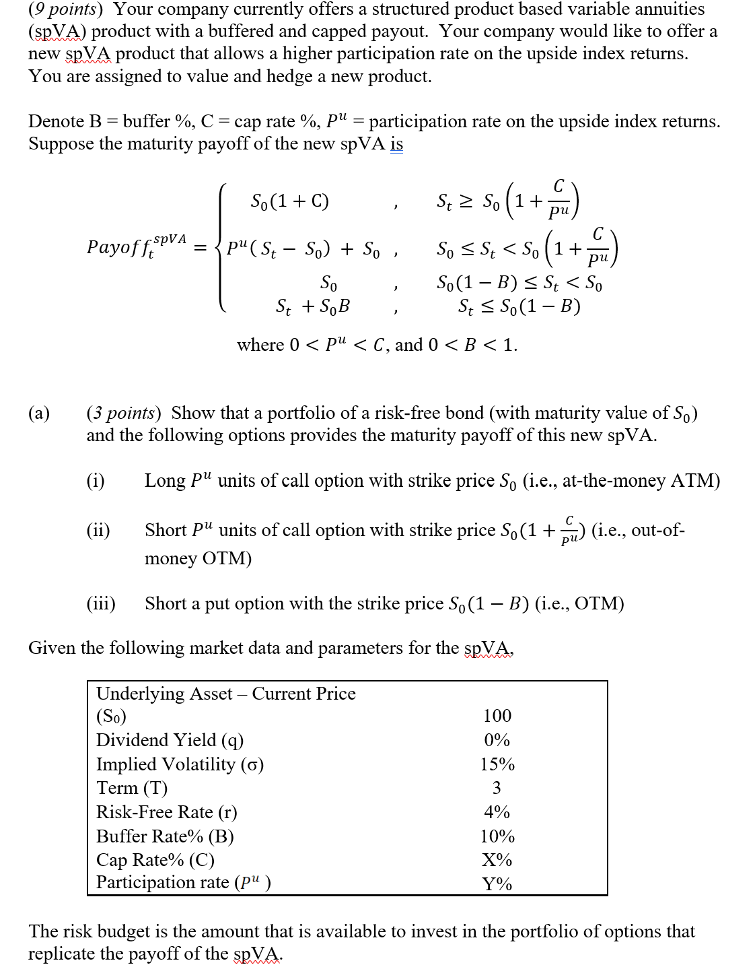

 | Fill in your final answers here:
 | Risk budget |  | 11.307956328

 | Show your work here:

 |  | S0 |  | 100
 |  | Term (T) |  | 3
 |  | Risk-free rate (r) |  | 4%

 | Fill in your final answers here:
 | Option 1 | 18.062143665 | <--Link to L107
 | Option 2 | -5.1765809908 | <--Link to L117
 | Option 3 | -2.4611534988 | <--Link to L127

 |  | Price of Option Portfolio | Participation Rate
 |  | 10.42 | 100% | 110% | 125% | PLEASE READ THIS FIRST
 | Cap Rate | 17% | 5.21 | 5.37 | 5.56 | This table is "what-if" table where two inputs are Cap Rate (D97) and Participation rate (D98)
 | Cap Rate | 26% | 7.91 | 8.26 | 8.68 | Results of SpVA Option Value (C80) which is sum of (C74,C75, C76) will be automatically populated for all combinations of
 | Cap Rate | 35% | 9.87 | 10.42 | 11.12 | Cap Rate and Participation rate.
 | Cap Rate | 44% | 11.24 | 12.01 | 13.00 | Candidate first modify Black-Scholes parameters (e.g., strike, etc.) to reflect the embedded options of spVA.
 | Cap Rate | 53% | 12.18 | 13.14 | 14.41 | Then, candidate is required to write formula for option 1, 2, 3 (L107, L117, L 127) with correct sign and units for Long/Short
 | Cap Rate | 62% | 12.81 | 13.94 | 15.45 | position and this data table would be correctly populated for all these combination.

 | Show your work here:

 | spVA
 | Underlying Asset – Current Price (S0) |  | 100 |  |  |  |  |  |  | Input
 | Dividend Yield (q) |  | 0% |  |  |  |  |  |  | Calculated Result
 | Implied Volatility (σ) |  | 15%
 | Term (T) |  | 3
 | Risk-Free Rate (r) |  | 4%
 | Buffer Rate% (B) |  | 10%
 | Cap Rate% (C) |  | 35%
 | Participation rate ( ) |  | 110%

 | Black Scholes Formula for Option 1
 | S | 100 |  | d1 | 0.59 | N(d1) | 0.72300238934 | N'(d1) | 0.3348600151
 | K | 100 |  | d2 | 0.33 | N(d2) | 0.63004646207 | N'(d2) | 0.37755361274
 | T | 3 |  | -d1 | -0.59 | N(-d1) | 0.27699761066 | N'(-d1) | 0.3348600151
 | r | 4% |  | -d2 | -0.33 | N(-d2) | 0.36995353793 | N'(-d2) | 0.37755361274
 | q | 0%
 | σ | 15% |  | Call | 16.420130605 | Put | 5.1121742765 | Option 1 | 18.062143665 | <-- Choose Call or Put / Long or Short

 | Black Scholes Formula for Option 2
 | S | 100 |  | d1 | -0.47 | N(d1) | 0.31863624949 | N'(d1) | 0.35697052321
 | K | 131.81818182 |  | d2 | -0.73 | N(d2) | 0.23229083946 | N'(d2) | 0.30533203802
 | T | 3 |  | -d1 | 0.47 | N(-d1) | 0.68136375051 | N'(-d1) | 0.35697052321
 | r | 4% |  | -d2 | 0.73 | N(-d2) | 0.76770916054 | N'(-d2) | 0.30533203802
 | q | 0%
 | σ | 15% |  | Call | 4.7059827189 | Put | 21.618222104 | Option 2 | -5.1765809908 | <-- Choose Call or Put / Long or Short

 | Black Scholes Formula for Option 3
 | S | 100 |  | d1 | 1.00 | N(d1) | 0.84069462883 | N'(d1) | 0.24261996919
 | K | 90 |  | d2 | 0.74 | N(d2) | 0.76959363039 | N'(d2) | 0.3039480571
 | T | 3 |  | -d1 | -1.00 | N(-d1) | 0.15930537117 | N'(-d1) | 0.24261996919
 | r | 4% |  | -d2 | -0.74 | N(-d2) | 0.23040636961 | N'(-d2) | 0.3039480571
 | q | 0%
 | σ | 15% |  | Call | 22.638314194 | Put | 2.4611534988 | Option 3 | -2.4611534988 | <-- Choose Call or Put / Long or Short

 | Fill in your final answers here:
 | Cap Rate |  | 35%

 | Show your work here:

 |  | For 125% participation rate, a cap rate of 35% gives an option cost that is closest to the option cost in part (b)(i). (11.12 vs. 11.31)

 | Fill in your final answers here:

 | In order to keep the same cost of portfolio of options, the cap rate needs to be decreased if participation rate is increased.
 | The reason is that increasing either the participating rate or cap rate will increase the cost of the portfolio of options.
 | Therefore, it is a trade-off between increasing cap rate versus participation rate.

